Model
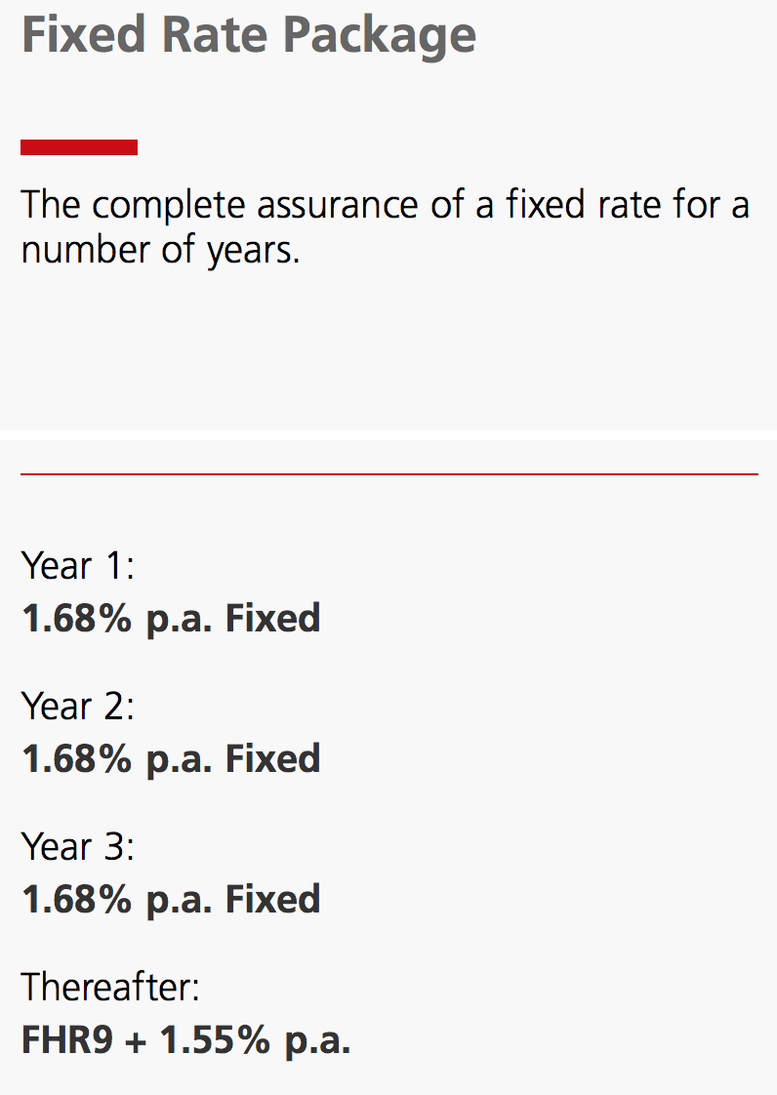
Assumptions
(indicated in blue font)
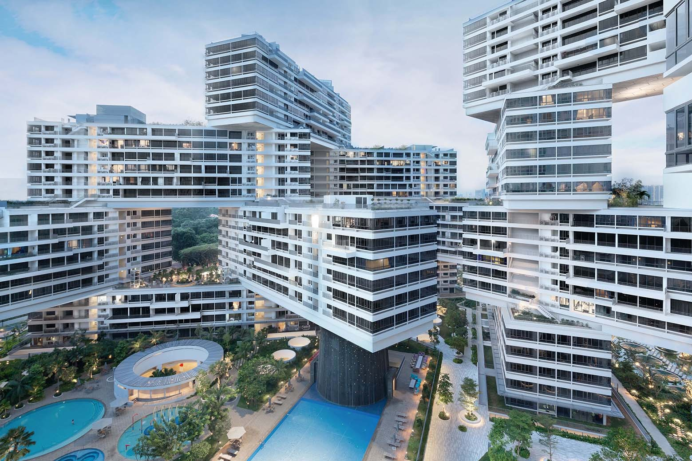
Case Study
THE INTERLACE

Property value | SGD | $3,000,000
Mortgage downpayment | % | 20%
 | SGD | $600,000
Mortgage amount | SGD | ($2,400,000)

Interest rate | % per year | 1.68%

Monthly rent | SGD | $5,700
Yearly rent | SGD | $68,400

Yearly payment of interest | SGD | ($40,320)

Yearly growth rate in house prices | % | 3.00%
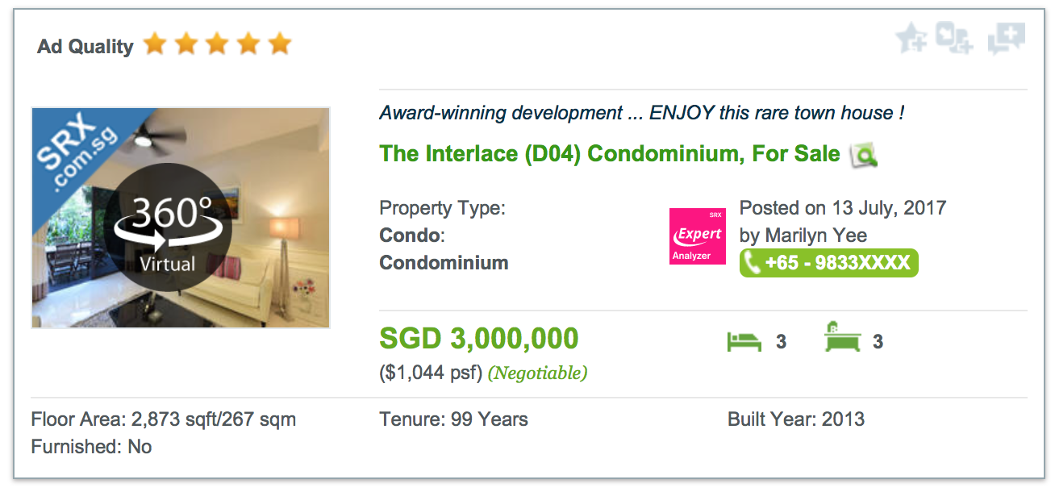

Calculations
(indicated in black font)
 |  | Purchase of property | Rental period |  |  |  |  | Sale of property
 |  | 0 | 1 | 2 | 3 | 4 | 5 | 6
Income | SGD |  | $68,400 | $68,400 | $68,400 | $68,400 | $68,400 | $3,477,822
Expense | SGD | ($600,000) | ($40,320) | ($40,320) | ($40,320) | ($40,320) | ($40,320) | ($2,400,000)
Net cash flow | SGD | ($600,000) | $28,080 | $28,080 | $28,080 | $28,080 | $28,080 | $1,077,822

Internal rate of return (IRR) | % | 13.6%

Scenarios
Scenarios

Scenario Analysis: Evolution of Prices
-4.0%
-3.0%
-2.0%
-1.0%
0.0%
1.0%
2.0%
3.0%
4.0%
5.0%
6.0%
Yearly growth rate in house prices | % | -4.0% | Internal rate of return (IRR) | %
 |  | -3.0%
 |  | -2.0%
 |  | -1.0%
 |  | 0.0%
 |  | 1.0%
 |  | 2.0%
 |  | 3.0%
 |  | 4.0%
 |  | 5.0%
 |  | 6.0%

Scenario Analysis: Evolution of Interest Rates
0.00%
0.25%
0.50%
0.75%
1.00%
1.25%
1.50%
1.75%
2.00%
2.25%
2.50%
2.75%
3.00%
3.25%
3.50%
3.75%
4.00%
Interest rate | % | 0.00% | Internal rate of return (IRR) | %
 |  | 0.25%
 |  | 0.50%
 |  | 0.75%
 |  | 1.00%
 |  | 1.25%
 |  | 1.50%
 |  | 1.75%
 |  | 2.00%
 |  | 2.25%
 |  | 2.50%
 |  | 2.75%
 |  | 3.00%
 |  | 3.25%
 |  | 3.50%
 |  | 3.75%
 |  | 4.00%

